Sheet3
Timeline | Values | Forecast | Lower Confidence Bound | Upper Confidence Bound
2022-06-01 | 58
2022-06-02 | 63
 | Values | Forecast | Lower Confidence Bound | Upper Confidence Bound
 | 58
 | 63
 | 67
 | 71
 | 61
 | 87
 | 92
 | 98
 | 100
 | 119
 | 103
 | 118
 | 134
 | 152
 | 151
 | 162
 | 149
 | 174
 | 179
 | 198
 | 195
 | 186
 | 156
 | 171
 | 308
 | 320
 | 458
 | 584
 | 795
 | 831
 | 553
 | 545
 | 548.5
 | 697
 | 978.5
 | 953
 | 918
 | 703
 | 1051
 | 1251
 | 1353
 | 1187
 | 1206
 | 906
 | 808.5
 | 663
 | 621.5
 | 726
 | 895
 | 916
...
2022-06-03 | 67
2022-06-04 | 71
2022-06-05 | 61
2022-06-06 | 87
2022-06-07 | 92
2022-06-08 | 98
2022-06-09 | 100
2022-06-10 | 119
2022-06-11 | 103
2022-06-12 | 118
2022-06-13 | 134
2022-06-14 | 152
2022-06-15 | 151
2022-06-16 | 162
2022-06-17 | 149
2022-06-18 | 174
2022-06-19 | 179
2022-06-20 | 198
2022-06-21 | 195
2022-06-22 | 186
2022-06-23 | 156
2022-06-24 | 171
2022-06-25 | 308
2022-06-26 | 320
2022-06-27 | 458
2022-06-28 | 584
2022-06-29 | 795
2022-06-30 | 831
2022-07-01 | 553
2022-07-02 | 545
2022-07-03 | 548.5
2022-07-04 | 697
2022-07-05 | 978.5
2022-07-06 | 953
2022-07-07 | 918
2022-07-08 | 703
2022-07-09 | 1051
2022-07-10 | 1251
2022-07-11 | 1353
2022-07-12 | 1187
2022-07-13 | 1206
2022-07-14 | 906
2022-07-15 | 808.5
2022-07-16 | 663
2022-07-17 | 621.5
2022-07-18 | 726
2022-07-19 | 895
2022-07-20 | 916
2022-07-21 | 893
2022-07-22 | 751
2022-07-23 | 988
2022-07-24 | 904
2022-07-25 | 709
2022-07-26 | 784
2022-07-27 | 765
2022-07-28 | 688
2022-07-29 | 1310
2022-07-30 | 1204
2022-07-31 | 932
2022-08-01 | 966
2022-08-02 | 793
2022-08-03 | 780
2022-08-04 | 935
2022-08-05 | 715
2022-08-06 | 723
2022-08-07 | 713
2022-08-08 | 733
2022-08-09 | 1021
2022-08-10 | 820
2022-08-11 | 695
2022-08-12 | 771
2022-08-13 | 727
2022-08-14 | 773
2022-08-15 | 911
2022-08-16 | 928
2022-08-17 | 958
2022-08-18 | 796
2022-08-19 | 839
2022-08-20 | 1041
2022-08-21 | 1322
2022-08-22 | 1344
2022-08-23 | 992
2022-08-24 | 815
2022-08-25 | 943
2022-08-26 | 1066
2022-08-27 | 1039
2022-08-28 | 972
2022-08-29 | 1058
2022-08-30 | 961
2022-08-31 | 931
2022-09-01 | 887
2022-09-02 | 823
2022-09-03 | 807
2022-09-04 | 1266
2022-09-05 | 1827
2022-09-06 | 1289
2022-09-07 | 973
2022-09-08 | 841
2022-09-09 | 742
2022-09-10 | 1050
2022-09-11 | 960
2022-09-12 | 1010
2022-09-13 | 1017
2022-09-14 | 1130
2022-09-15 | 961
2022-09-16 | 934
2022-09-17 | 821
2022-09-18 | 793
2022-09-19 | 724
2022-09-20 | 774
2022-09-21 | 1146
2022-09-22 | 934
2022-09-23 | 689
2022-09-24 | 892
2022-09-25 | 982
2022-09-26 | 680
2022-09-27 | 614
2022-09-28 | 743
2022-09-29 | 970
2022-09-30 | 724
2022-10-01 | 859
2022-10-02 | 1412
2022-10-03 | 1219
2022-10-04 | 987
2022-10-05 | 1056
2022-10-06 | 1050
2022-10-07 | 1164
2022-10-08 | 1214
2022-10-09 | 1510
2022-10-10 | 1293
2022-10-11 | 1498
2022-10-12 | 1377
2022-10-13 | 1111
2022-10-14 | 1127
2022-10-15 | 1356
2022-10-16 | 1281
2022-10-17 | 1325
2022-10-18 | 1123
2022-10-19 | 1071
2022-10-20 | 1064
2022-10-21 | 916
2022-10-22 | 781
2022-10-23 | 550
2022-10-24 | 631
2022-10-25 | 871
2022-10-26 | 940
2022-10-27 | 986
2022-10-28 | 1140
2022-10-29 | 1235
2022-10-30 | 1109
2022-10-31 | 1082
2022-11-01 | 1088
2022-11-02 | 911
2022-11-03 | 970
2022-11-04 | 886
2022-11-05 | 1151
2022-11-06 | 2322
2022-11-07 | 1910
2022-11-08 | 1444
2022-11-09 | 1093
2022-11-10 | 1169
2022-11-11 | 1051
2022-11-12 | 1118
2022-11-13 | 1181
2022-11-14 | 1303
2022-11-15 | 1104
2022-11-16 | 1024
2022-11-17 | 1059
2022-11-18 | 1036
2022-11-19 | 1119
2022-11-20 | 1112
2022-11-21 | 1197
2022-11-22 | 1050
2022-11-23 | 1017
2022-11-24 | 992
2022-11-25 | 951
2022-11-26 | 1031
2022-11-27 | 1111
2022-11-28 | 1084
2022-11-29 | 1357
2022-11-30 | 1418
2022-12-01 | 1914
2022-12-02 | 1276
2022-12-03 | 1480
2022-12-04 | 1735
2022-12-05 | 1489
2022-12-06 | 1469
2022-12-07 | 1389
2022-12-08 | 1179
2022-12-09 | 1234
2022-12-10 | 1677
2022-12-11 | 1966
2022-12-12 | 1878
2022-12-13 | 1645
2022-12-14 | 1498
2022-12-15 | 1465
2022-12-16 | 1463
2022-12-17 | 2052
2022-12-18 | 1567
2022-12-19 | 1731
2022-12-20 | 1560
2022-12-21 | 1408
2022-12-22 | 1392
2022-12-23 | 1501
2022-12-24 | 1807
2022-12-25 | 1583
2022-12-26 | 1727
2022-12-27 | 1742
2022-12-28 | 1908
2022-12-29 | 1604
2022-12-30 | 1822
2022-12-31 | 2037
2023-01-01 | 2138
2023-01-02 | 2077
2023-01-03 | 1894
2023-01-04 | 1934
2023-01-05 | 1855
2023-01-06 | 1828
2023-01-07 | 1824
2023-01-08 | 2029
2023-01-09 | 1917
2023-01-10 | 1984
2023-01-11 | 2003
2023-01-12 | 1812
2023-01-13 | 1867
2023-01-14 | 1984 | 1984 | 1984.00 | 1984.00
2023-01-15 |  | 1990.2155092 | 1688.63 | 2291.80
2023-01-16 |  | 1996.4310184 | 1603.67 | 2389.20
2023-01-17 |  | 2002.6465277 | 1536.03 | 2469.26
2023-01-18 |  | 2008.8620369 | 1478.44 | 2539.28
2023-01-19 |  | 2015.0775461 | 1427.61 | 2602.54
2023-01-20 |  | 2021.2930553 | 1381.73 | 2660.85
2023-01-21 |  | 2027.5085645 | 1339.68 | 2715.34

BY CHART
 |  | Forecasting
Date | Views
2022-06-01 | 58
2022-06-02 | 63
2022-06-03 | 67
2022-06-04 | 71
2022-06-05 | 61
2022-06-06 | 87
2022-06-07 | 92
2022-06-08 | 98
2022-06-09 | 100
2022-06-10 | 119
2022-06-11 | 103
2022-06-12 | 118
2022-06-13 | 134
2022-06-14 | 152
2022-06-15 | 151
2022-06-16 | 162
2022-06-17 | 149
2022-06-18 | 174
2022-06-19 | 179
2022-06-20 | 198
2022-06-21 | 195
2022-06-22 | 186
2022-06-23 | 156
2022-06-24 | 171
2022-06-25 | 308
2022-06-26 | 320
2022-06-27 | 458
2022-06-28 | 584
2022-06-29 | 795
2022-06-30 | 831
2022-07-01 | 553
2022-07-02 | 545
2022-07-03 | 549
2022-07-04 | 697
2022-07-05 | 979
2022-07-06 | 953
2022-07-07 | 918
2022-07-08 | 703
2022-07-09 | 1051
2022-07-10 | 1251
2022-07-11 | 1353
2022-07-12 | 1187
2022-07-13 | 1206
2022-07-14 | 906
2022-07-15 | 809
2022-07-16 | 663
2022-07-17 | 622
2022-07-18 | 726
2022-07-19 | 895
2022-07-20 | 916
2022-07-21 | 893
2022-07-22 | 751
2022-07-23 | 988
2022-07-24 | 904
2022-07-25 | 709
2022-07-26 | 784
2022-07-27 | 765
2022-07-28 | 688
2022-07-29 | 1310
2022-07-30 | 1204
2022-07-31 | 932
2022-08-01 | 966
2022-08-02 | 793
2022-08-03 | 780
2022-08-04 | 935
2022-08-05 | 715
2022-08-06 | 723
2022-08-07 | 713
2022-08-08 | 733
2022-08-09 | 1021
2022-08-10 | 820
2022-08-11 | 695
2022-08-12 | 771
2022-08-13 | 727
2022-08-14 | 773
2022-08-15 | 911
2022-08-16 | 928
2022-08-17 | 958
2022-08-18 | 796
2022-08-19 | 839
2022-08-20 | 1041
2022-08-21 | 1322
2022-08-22 | 1344
2022-08-23 | 992
2022-08-24 | 815
2022-08-25 | 943
2022-08-26 | 1066
2022-08-27 | 1039
2022-08-28 | 972
2022-08-29 | 1058
2022-08-30 | 961
2022-08-31 | 931
2022-09-01 | 887
2022-09-02 | 823
2022-09-03 | 807
2022-09-04 | 1266
2022-09-05 | 1827
2022-09-06 | 1289
2022-09-07 | 973
2022-09-08 | 841
2022-09-09 | 742
2022-09-10 | 1050
2022-09-11 | 960
2022-09-12 | 1010
2022-09-13 | 1017
2022-09-14 | 1130
2022-09-15 | 961
2022-09-16 | 934
2022-09-17 | 821
2022-09-18 | 793
2022-09-19 | 724
2022-09-20 | 774
2022-09-21 | 1146
2022-09-22 | 934
2022-09-23 | 689
2022-09-24 | 892
2022-09-25 | 982
2022-09-26 | 680
2022-09-27 | 614
2022-09-28 | 743
2022-09-29 | 970
2022-09-30 | 724
2022-10-01 | 859
2022-10-02 | 1412
2022-10-03 | 1219
2022-10-04 | 987
2022-10-05 | 1056
2022-10-06 | 1050
2022-10-07 | 1164
2022-10-08 | 1214
2022-10-09 | 1510
2022-10-10 | 1293
2022-10-11 | 1498
2022-10-12 | 1377
2022-10-13 | 1111
2022-10-14 | 1127
2022-10-15 | 1356
2022-10-16 | 1281
2022-10-17 | 1325
2022-10-18 | 1123
2022-10-19 | 1071
2022-10-20 | 1064
2022-10-21 | 916
2022-10-22 | 781
2022-10-23 | 550
2022-10-24 | 631
2022-10-25 | 871
2022-10-26 | 940
2022-10-27 | 986
2022-10-28 | 1140
2022-10-29 | 1235
2022-10-30 | 1109
2022-10-31 | 1082
2022-11-01 | 1088
2022-11-02 | 911
2022-11-03 | 970
2022-11-04 | 886
2022-11-05 | 1151
2022-11-06 | 2322
2022-11-07 | 1910
2022-11-08 | 1444
2022-11-09 | 1093
2022-11-10 | 1169
2022-11-11 | 1051
2022-11-12 | 1118
2022-11-13 | 1181
2022-11-14 | 1303
2022-11-15 | 1104
2022-11-16 | 1024
2022-11-17 | 1059
2022-11-18 | 1036
2022-11-19 | 1119
2022-11-20 | 1112
2022-11-21 | 1197
2022-11-22 | 1050
2022-11-23 | 1017
2022-11-24 | 992
2022-11-25 | 951
2022-11-26 | 1031
2022-11-27 | 1111
2022-11-28 | 1084
2022-11-29 | 1357
2022-11-30 | 1418
2022-12-01 | 1914
2022-12-02 | 1276
2022-12-03 | 1480
2022-12-04 | 1735
2022-12-05 | 1489
2022-12-06 | 1469
2022-12-07 | 1389
2022-12-08 | 1179
2022-12-09 | 1234
2022-12-10 | 1677
2022-12-11 | 1966
2022-12-12 | 1878
2022-12-13 | 1645
2022-12-14 | 1498
2022-12-15 | 1465
2022-12-16 | 1463
2022-12-17 | 2052
2022-12-18 | 1567
2022-12-19 | 1731
2022-12-20 | 1560
2022-12-21 | 1408
2022-12-22 | 1392
2022-12-23 | 1501
2022-12-24 | 1807
2022-12-25 | 1583
2022-12-26 | 1727
2022-12-27 | 1742
2022-12-28 | 1908
2022-12-29 | 1604
2022-12-30 | 1822
2022-12-31 | 2037
2023-01-01 | 2138
2023-01-02 | 2077
2023-01-03 | 1894
2023-01-04 | 1934
2023-01-05 | 1855
2023-01-06 | 1828
2023-01-07 | 1824
2023-01-08 | 2029
2023-01-09 | 1917
2023-01-10 | 1984
2023-01-11 | 2003
2023-01-12 | 1812
2023-01-13 | 1867
2023-01-14 | 1984

Sheet1
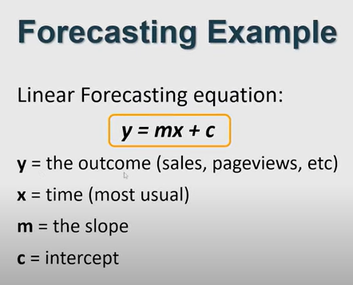
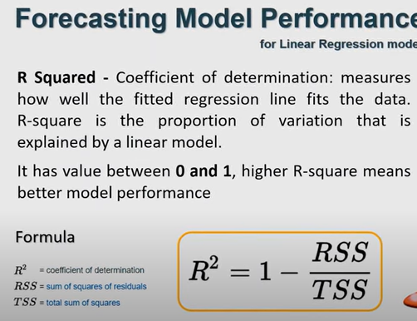
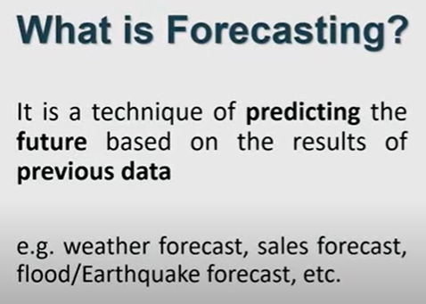
We got it predict from three method
1: Formula
2:Using Graph
3:Using Forecast Sheet

